Sheet1
Paint Drying Time

Sample Size 1 | 10.00000 | Sample Size 2 | 10.00000
Sample Mean 1 | 121.00000 | Sample Mean 2 | 112.00000
Population S.D. 1 | 8.00000 | Population S.D. 2 | 8.00000

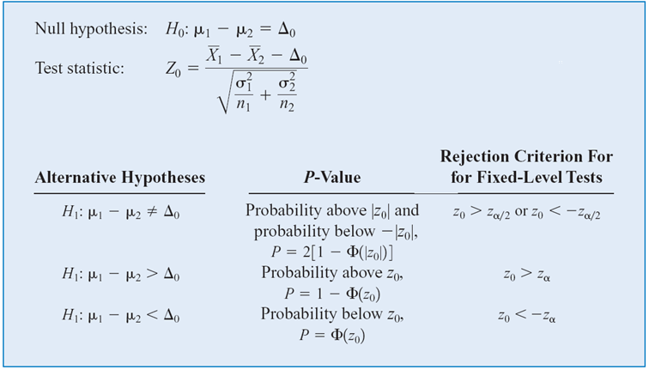
 |  | Rejection MEANS H NULL REJECTION
Parameter of Interest | Difference of mean
Null Hypothesis | H0: m1 - m2 = 0
Alternative Hypothesis | H1: m1 - m2 > 0
Significance Level (a) | 0.05
Reject Region | Reject H0 if Z0 > Z(alpha)
 | Reject H0 if P-value < a
Test Statistic (Z0) | 2.51558
Z(a) | 1.6449
P-value | 0.0059

Accept/Reject Null Hypothesis | reject because z0 > z alpha, criteria of rejection checks, so we reject. Which means that the second formula (H1 hypothesis) is better than the first formula

Sheet3
Yield from a Catalyst

Sample Size 1 | 8.00000 | Sample Size 2 | 8.00000
Sample Mean 1 | 92.25500 | Sample Mean 2 | 92.73300
Sample S.D. 1 | 2.39000 | Sample S.D. 2 | 2.98000
Pooled Estimator of Variance | 7.29625

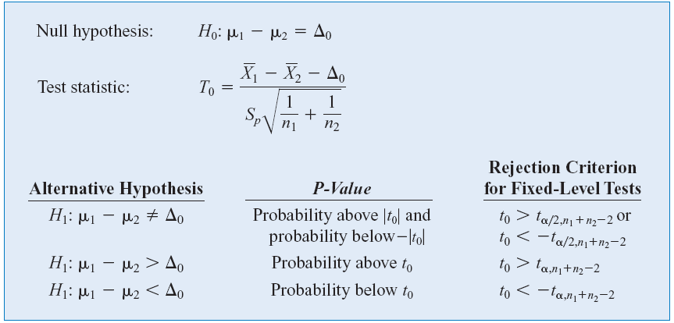
Parameter of Interest | Difference on mean
Null Hypothesis | H0 : mu1 - mu2 = 0
Alternative Hypothesis | H1 : mu1 - mu2 != 0
Significance Level (a) | 0.05
Reject Region | Reject H0 if t(0)>t(a/2) or t(0) <t(a/2)
 | Reject H0 if P-value < a
Test Statistic t(0) | -0.35392
Degree of Freedom | 14.00000
t(a) | 2.1448
P-value | 0.7287

Accept/Reject Null Hypothesis | Accept

Sheet4
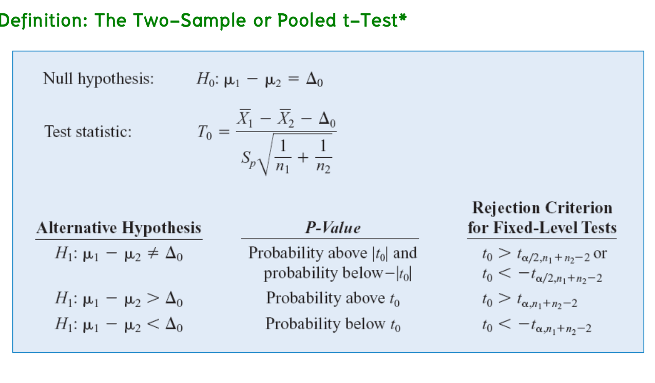
Arsenic in Drinking Water

Sample Size 1 | 10.00000 | Sample Size 2 | 10.00000
Sample Mean 1 | 12.50000 | Sample Mean 2 | 27.50000
Sample S.D. 1 | 7.63000 | Sample S.D. 2 | 15.30000

Parameter of Interest | Difference in mean
Null Hypothesis | H0 : mu1 -mu2 = 0
Alternative Hypothesis | H1 : mu1 - mu2 != 0
Significance Level (a) | 0.05
Reject Region | Reject H0 if
 | Reject H0 if P-value < a
Test Statistic T(0) | -2.77442
Degree of Freedom | 13.21576
t(alpha) | 2.1604
P-value | 0.0158

Accept/Reject Null Hypothesis | reject

